DASHBOARD
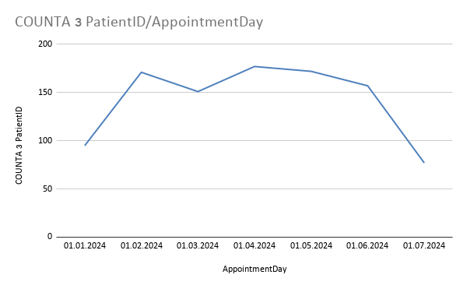
HEALTHCARE APPOINTMENT ANALYTICS DASHBOARD

Monthly Visit Trend
No-show by SMS Reminder
No-show by Neighbourhood

No-Show by Age Group
No-show by Weekday
No-Show vs. Waiting Time

